Summary
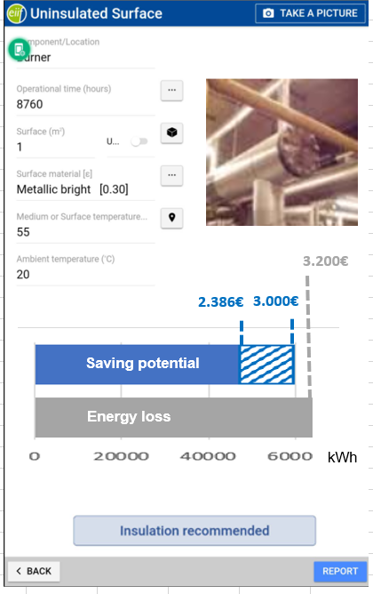
1 | Cambio de pantalla de trabajo, vertical en lugar de horizontal
2 | Outputs - chart para calculos y redondear valores (matrix) | sheet -output chart
3 | Worflow from report to summary ( quitar pregunta de anadir un reporte) | sheet - workflow
4 | New lay out summary. Chart para totales . Delete bottom. last component last line y focus en la ultima linea siempre que se abra | sheet - summary lay out
5 | Copy function for projects and components en el sumary )
6 | One year license based on tablet date.
7 | Add extra step - to select insulated/uninsulated/cold - selection
8 | No report but Next>
9 | Hot surface - oficial icon
10 | Safety - remove traffic
11 | Maintenance - remove mechanical, electrical , structural y add opcion others
12 | HOME - instead of change project. Tambien arriba cuando estas en la pagina
13 | Icon flange - solo dos lineas
14 | Remove equiv length - valve and flanges
15 | Remove outputs for condensation, damaged
16 | Removed damaged op, surface mate, medium temp., main dimension
17 | damaged posibilidad de multi selection
18 | Removed de damaged op, surface mate, medium temp.
19 | PDF - Summary
20 | Bottones, linterna y calculadora
21 | spacio para aislamiento

Workflow
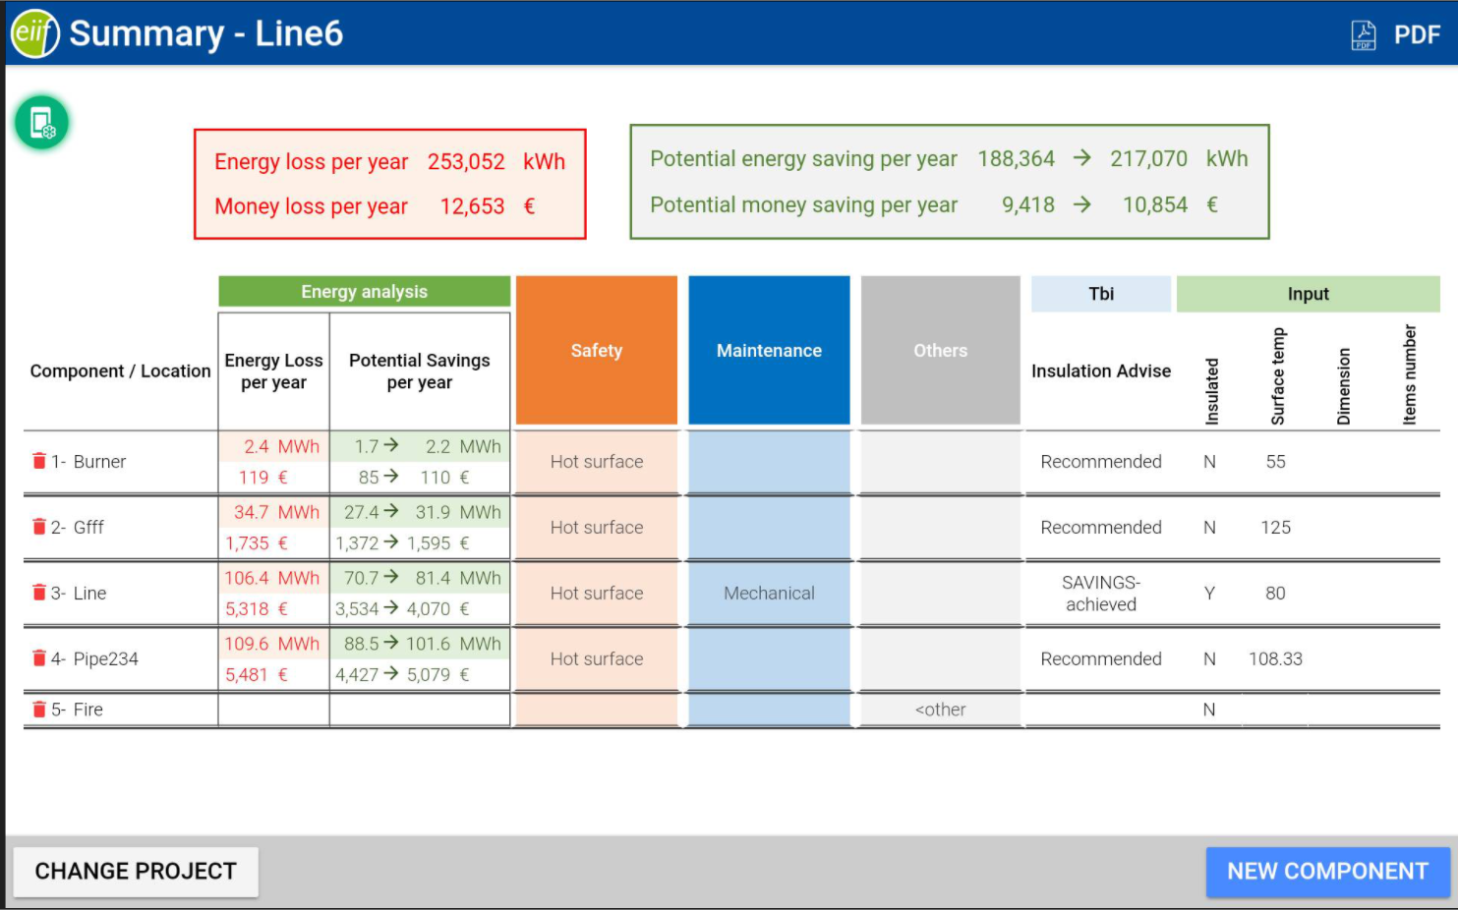

Add >>

Add >>

Add >>

Add >>

Output Chart
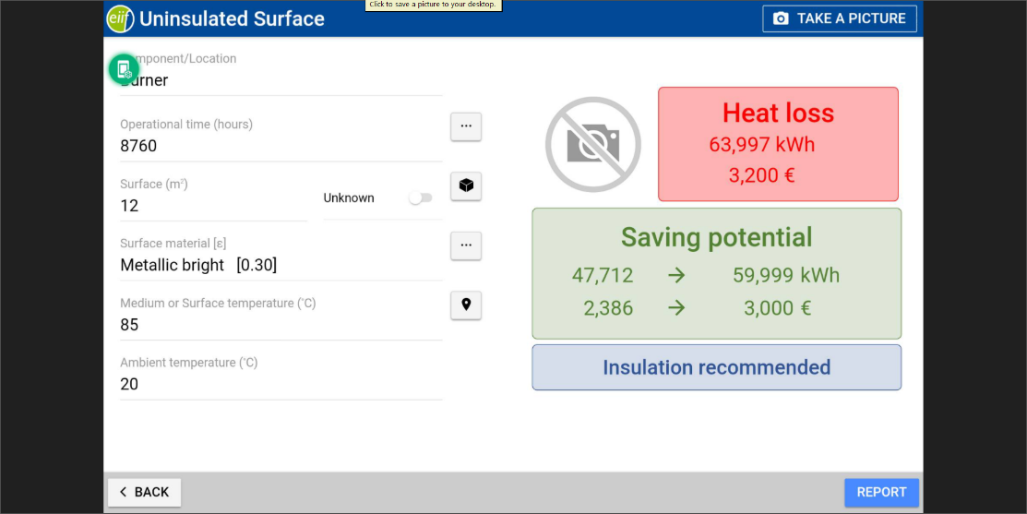
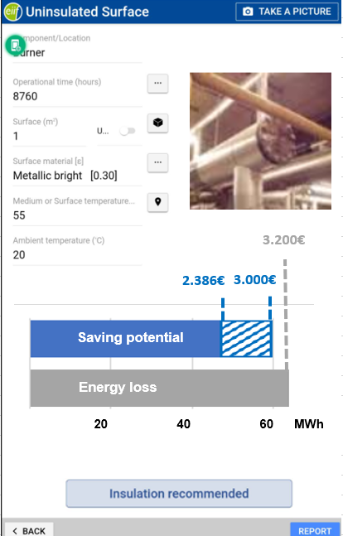
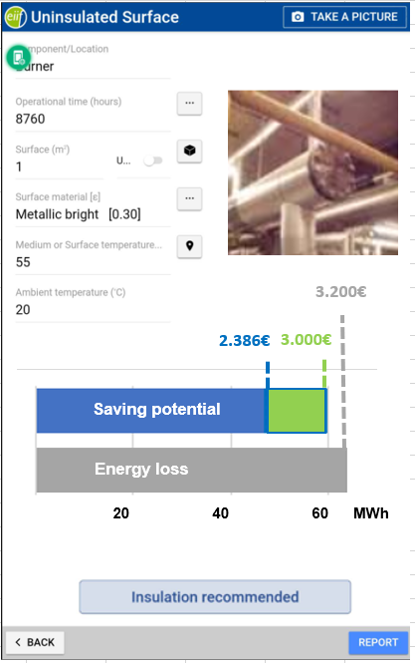
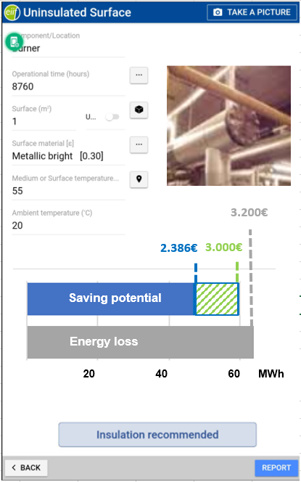
63997 | 3200
47712 | 2386
59999 | 3000
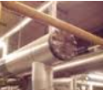

3.200€

2.386€
3.000€
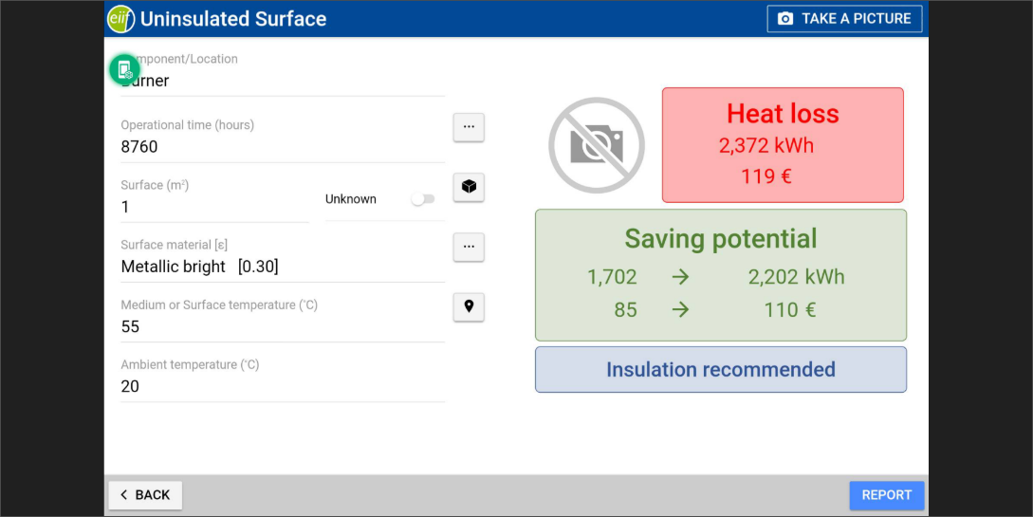
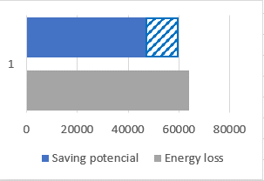
Saving potential
Energy loss
2372 | 119
1702 | 85
2202 | 110

20 40 60 MWh

